Ring
V-Perfume

No. | NAME | SKU | TYPE | QUANTITY | IMAGE | Size | STOREPRICE IN AED | DESCRIPTION | Care | Note | BRAND
1 | RN-18® | VJRNSL-18 | Material: 100% 925 Sterling Silver | 1 | 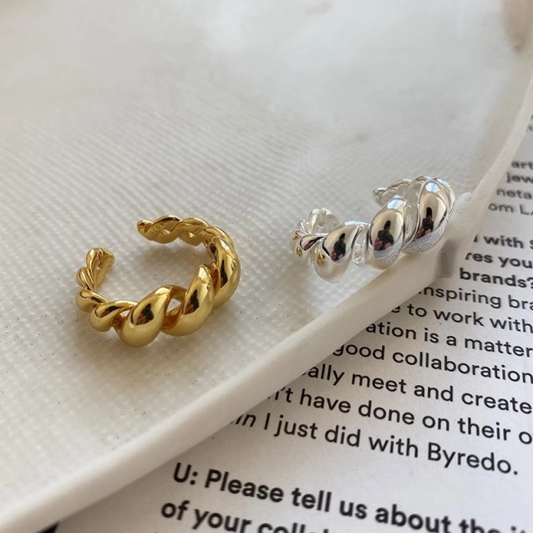 | Resizable | 120 | 925 Silver Punk Twist Ring for Women Men Minimalist Rock Real 925 Sterling Silver Fashion Party Jewelry | Use the provided polishing cloth to gently wipe this item clean, then remove any remaining tarnish with mild diluted soap. Rinse with warm water, dry with a clean towel and store it in its jewelry pouch. | As this item is Real 100% 925 sterling silver, We are gladly if you can testing by your local Testing Center! | Vibez Jewelz
2 | RN-19® | VJRNSL-19 | Material: 100% 925 Sterling Silver | 1 | 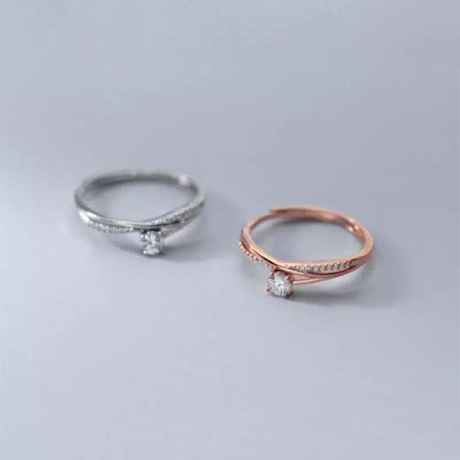 | Resizable | 80 | 925 Sterling Silver Fashion Korean Luxury Zircon Cross Charming Open Finger Ring for Women Wedding Anniversary Jewelry | Use the provided polishing cloth to gently wipe this item clean, then remove any remaining tarnish with mild diluted soap. Rinse with warm water, dry with a clean towel and store it in its jewelry pouch. | As this item is Real 100% 925 sterling silver, We are gladly if you can testing by your local Testing Center! | Vibez Jewelz
3 | RN-20® | VJRNSL-20 | Material: 100% 925 Sterling Silver | 1 | 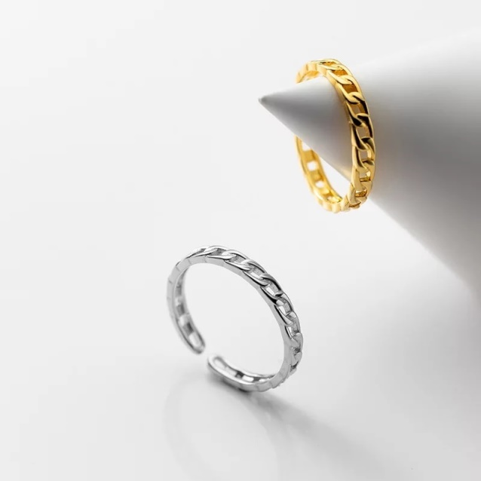 | Resizable | 50 | Real 925 Sterling Silver Minimalist Cuban Link Chain Finger Adjustable Ring for Women Punk Goth Rock Jewelry | Use the provided polishing cloth to gently wipe this item clean, then remove any remaining tarnish with mild diluted soap. Rinse with warm water, dry with a clean towel and store it in its jewelry pouch. | As this item is Real 100% 925 sterling silver, We are gladly if you can testing by your local Testing Center! | Vibez Jewelz
4 | RN-21® | VJRNSL-21 | Material: 100% 925 Sterling Silver | 1 | 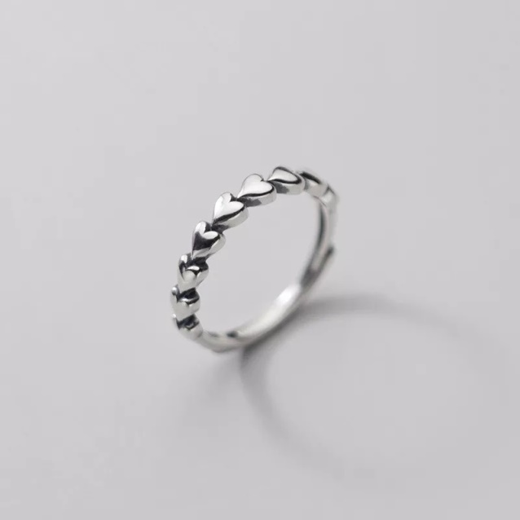 | Resizable | 45 | Retro Simple Sweet Romantic Love Heart Opening Ring for Women Real 925 Sterling Silver Couple Wedding Jewelry | Use the provided polishing cloth to gently wipe this item clean, then remove any remaining tarnish with mild diluted soap. Rinse with warm water, dry with a clean towel and store it in its jewelry pouch. | As this item is Real 100% 925 sterling silver, We are gladly if you can testing by your local Testing Center! | Vibez Jewelz

Necklace
V-Perfume

No. | NAME | SKU | TYPE | QUANTITY | IMAGE | STOREPRICE IN AED | DESCRIPTION | Care | Note | BRAND
1 | NK-08® | VJNKSIL-08 | Material: 100% 925 Sterling Silver | 1 | 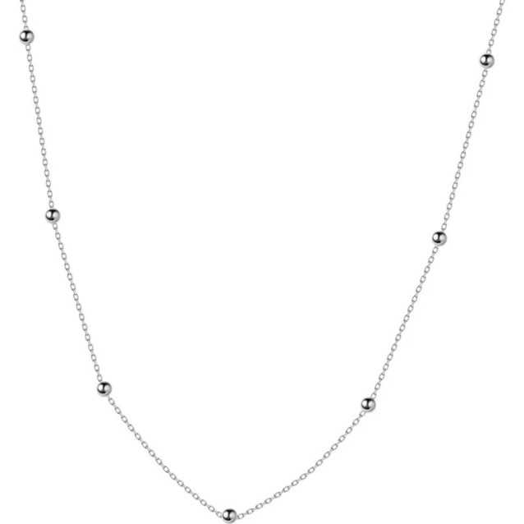 | 50 | Genuine 100% 925 Sterling Silver Cross Chain Glossy Bead Choker Necklace Women Minimalist Fine Jewelry Cute Accessories | Use the provided polishing cloth to gently wipe this item clean, then remove any remaining tarnish with mild diluted soap. Rinse with warm water, dry with a clean towel and store it in its jewelry pouch. | As this item is Real 100% 925 sterling silver, We are gladly if you can testing by your local Testing Center! | Vibez Jewelz
2 | NK-09® | VJNKSIL-09 | Material: 100% 925 Sterling Silver | 1 | 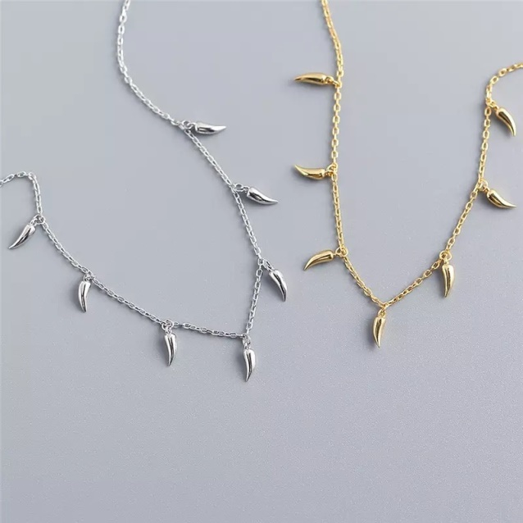 | 95 | 925 Sterling Silver Geometric Little Pepper Cuban Chain Charm Pendant Necklace for Fashion Women Bohemian Jewelry | Use the provided polishing cloth to gently wipe this item clean, then remove any remaining tarnish with mild diluted soap. Rinse with warm water, dry with a clean towel and store it in its jewelry pouch. | As this item is Real 100% 925 sterling silver, We are gladly if you can testing by your local Testing Center! | Vibez Jewelz
3 | NK-10® | VJNKSIL-10 | Material: 100% 925 Sterling Silver | 1 | 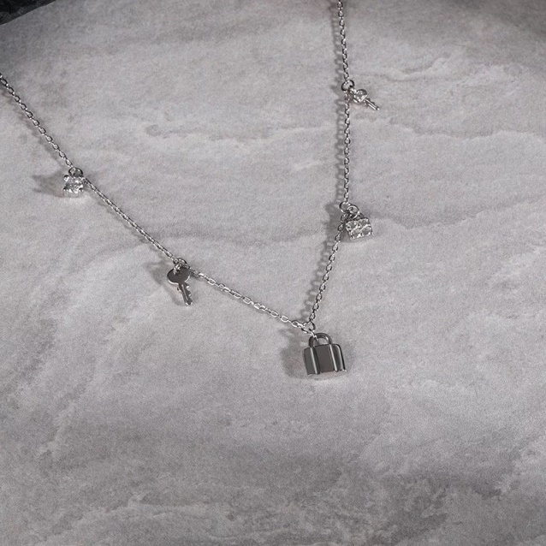 | 110 | 925 Sterling Silver Punk Rock Pave Zircon Lock Key Chain Clavicle Charm Necklace for Women Bohemian Unique Jewelry | Use the provided polishing cloth to gently wipe this item clean, then remove any remaining tarnish with mild diluted soap. Rinse with warm water, dry with a clean towel and store it in its jewelry pouch. | As this item is Real 100% 925 sterling silver, We are gladly if you can testing by your local Testing Center! | Vibez Jewelz
4 | NK-11® | VJNKSIL-11 | Material: 100% 925 Sterling Silver | 3 | 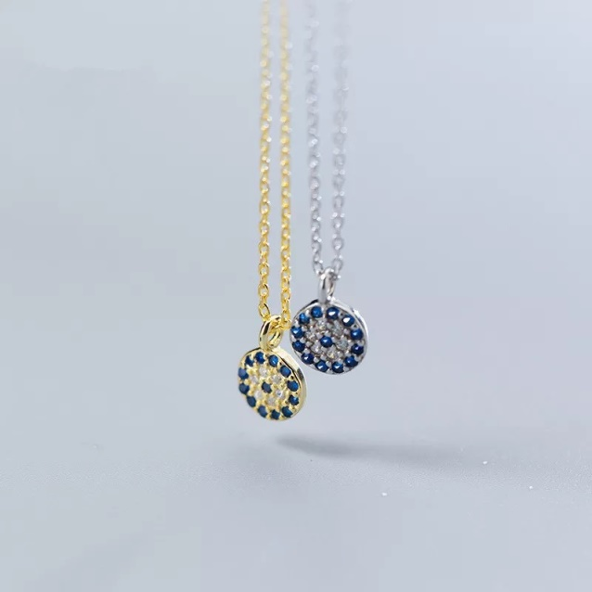 | 70 per PCS. | Round Geometric Blue Evil Eyes Pendant Necklace For Women Genuine 100% 925 Sterling Silver Office Party Jewelry | Use the provided polishing cloth to gently wipe this item clean, then remove any remaining tarnish with mild diluted soap. Rinse with warm water, dry with a clean towel and store it in its jewelry pouch. | As this item is Real 100% 925 sterling silver, We are gladly if you can testing by your local Testing Center! | Vibez Jewelz

Bracelet
V-Perfume

No. | NAME | SKU | TYPE | QUANTITY | IMAGE | STOREPRICE IN AED | DESCRIPTION | Care | Note | BRAND
1 | BR-05® | VJBRSIL-05 | Material: 100% 925 Sterling Silver | 1 | 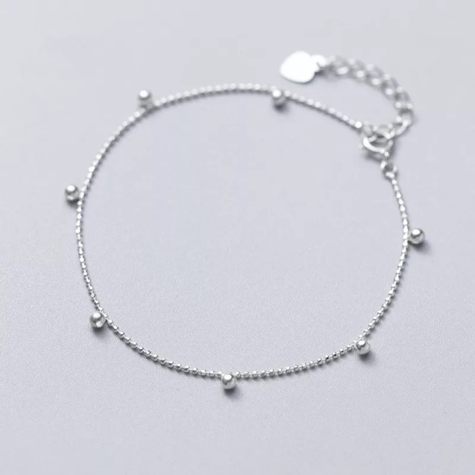 | 40 | Genuine 925 Sterling Silver Minimalist Gloss Bead Chain Charm Bracelet For Women Office Career Fine Accessories Jewelry | Use the provided polishing cloth to gently wipe this item clean, then remove any remaining tarnish with mild diluted soap. Rinse with warm water, dry with a clean towel and store it in its jewelry pouch. | As this item is Real 100% 925 sterling silver, We are gladly if you can testing by your local Testing Center! | Vibez Jewelz

Earrnings
V-Perfume

No. | NAME | SKU | TYPE | QUANTITY | IMAGE | STOREPRICE IN AED | DESCRIPTION | Care | Note | BRAND
1 | ER-12® | VJERSIL-12 | Material: 100% 925 Sterling Silver | 1 | 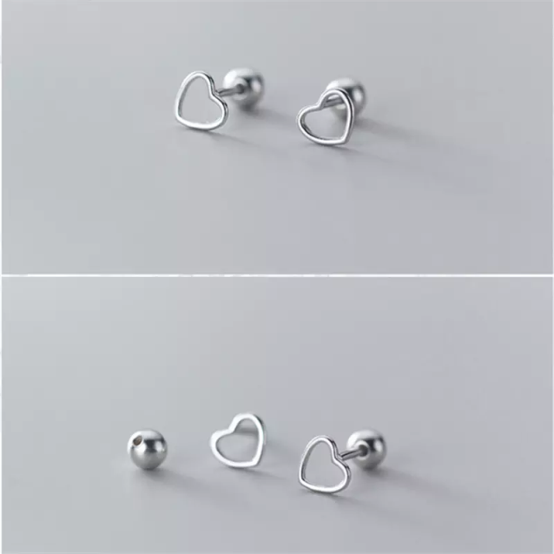 | 40 | Genuine 100% 925 Sterling Silver Jewelry Cute Small Simple Hollow Love Heart Stud Earrings Glossy Beads Earplugs Women | Use the provided polishing cloth to gently wipe this item clean, then remove any remaining tarnish with mild diluted soap. Rinse with warm water, dry with a clean towel and store it in its jewelry pouch. | As this item is Real 100% 925 sterling silver, We are gladly if you can testing by your local Testing Center! | Vibez Jewelz
2 | ER-13® | VJERSIL-13 | Material: 100% 925 Sterling Silver | 1 | 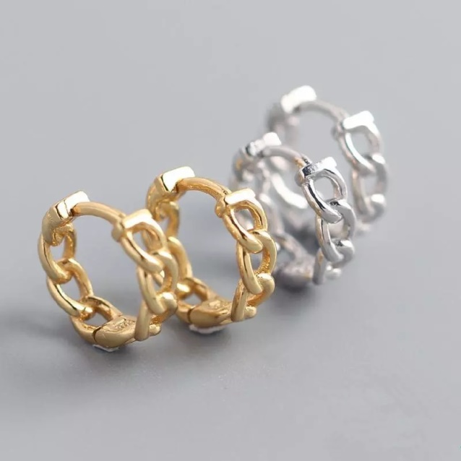 | 55 | Real 100% 925 Sterling Silver Punk Hip-Hop Cuba Chain Gothic Studs Earrings for Fashion Women Jewelry | Use the provided polishing cloth to gently wipe this item clean, then remove any remaining tarnish with mild diluted soap. Rinse with warm water, dry with a clean towel and store it in its jewelry pouch. | As this item is Real 100% 925 sterling silver, We are gladly if you can testing by your local Testing Center! | Vibez Jewelz
3 | ER-14® | VJERSIL-14 | Material: 100% 925 Sterling Silver | 1 | 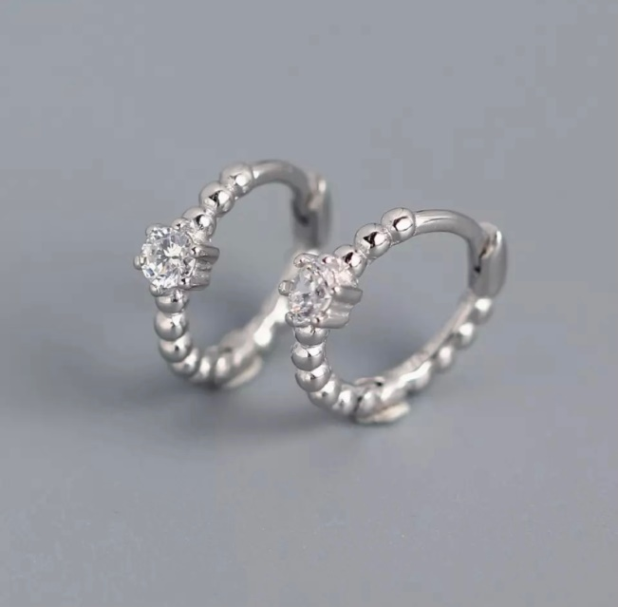 | 40 | Real 100% 925 Sterling Silver Punk Hip-Hop Cuba Chain Gothic Studs Earrings for Fashion Women Jewelry | Use the provided polishing cloth to gently wipe this item clean, then remove any remaining tarnish with mild diluted soap. Rinse with warm water, dry with a clean towel and store it in its jewelry pouch. | As this item is Real 100% 925 sterling silver, We are gladly if you can testing by your local Testing Center! | Vibez Jewelz
4 | ER-15® | VJERSIL-15 | Material: 100% 925 Sterling Silver | 1 | 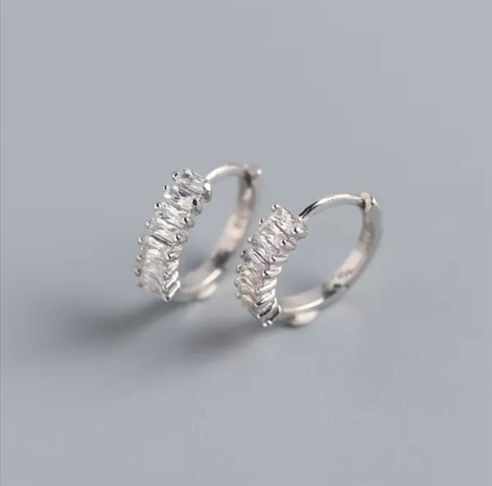 | 40 | Real 100% 925 Sterling Silver Punk Hip-Hop Cuba Chain Gothic Studs Earrings for Fashion Women Jewelry | Use the provided polishing cloth to gently wipe this item clean, then remove any remaining tarnish with mild diluted soap. Rinse with warm water, dry with a clean towel and store it in its jewelry pouch. | As this item is Real 100% 925 sterling silver, We are gladly if you can testing by your local Testing Center! | Vibez Jewelz
5 | ER-16® | VJERSIL-16 | Material: 100% 925 Sterling Silver | 1 | 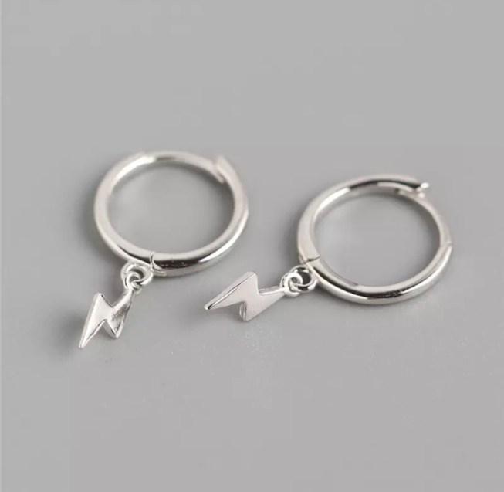 | 45 | Real 100% 925 Sterling Silver Punk Hip-Hop Cuba Chain Gothic Studs Earrings for Fashion Women Jewelry | Use the provided polishing cloth to gently wipe this item clean, then remove any remaining tarnish with mild diluted soap. Rinse with warm water, dry with a clean towel and store it in its jewelry pouch. | As this item is Real 100% 925 sterling silver, We are gladly if you can testing by your local Testing Center! | Vibez Jewelz
6 | ER-17® | VJERSIL-17 | Material: 100% 925 Sterling Silver | 1 | 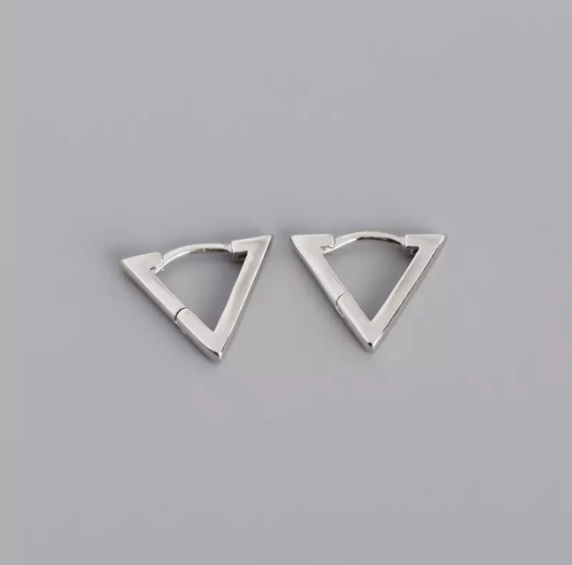 | 50 | Real 100% 925 Sterling Silver Punk Hip-Hop Cuba Chain Gothic Studs Earrings for Fashion Women Jewelry | Use the provided polishing cloth to gently wipe this item clean, then remove any remaining tarnish with mild diluted soap. Rinse with warm water, dry with a clean towel and store it in its jewelry pouch. | As this item is Real 100% 925 sterling silver, We are gladly if you can testing by your local Testing Center! | Vibez Jewelz
7 | ER-18® | VJERSIL-18 | Material: 100% 925 Sterling Silver | 1 | 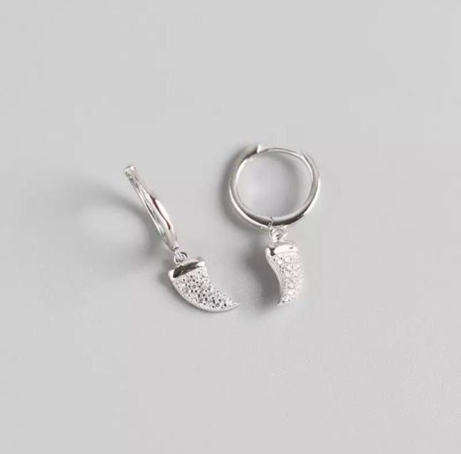 | 55 | Real 100% 925 Sterling Silver Punk Hip-Hop Cuba Chain Gothic Studs Earrings for Fashion Women Jewelry | Use the provided polishing cloth to gently wipe this item clean, then remove any remaining tarnish with mild diluted soap. Rinse with warm water, dry with a clean towel and store it in its jewelry pouch. | As this item is Real 100% 925 sterling silver, We are gladly if you can testing by your local Testing Center! | Vibez Jewelz
8 | ER-19® | VJERSIL-19 | Material: 100% 925 Sterling Silver | 1 | 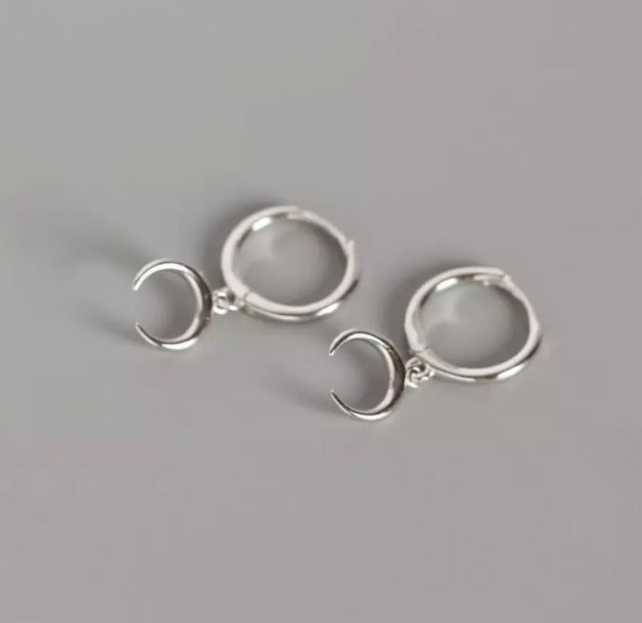 | 50 | Real 100% 925 Sterling Silver Punk Hip-Hop Cuba Chain Gothic Studs Earrings for Fashion Women Jewelry | Use the provided polishing cloth to gently wipe this item clean, then remove any remaining tarnish with mild diluted soap. Rinse with warm water, dry with a clean towel and store it in its jewelry pouch. | As this item is Real 100% 925 sterling silver, We are gladly if you can testing by your local Testing Center! | Vibez Jewelz
9 | ER-20® | VJERSIL-20 | Material: 100% 925 Sterling Silver | 1 | 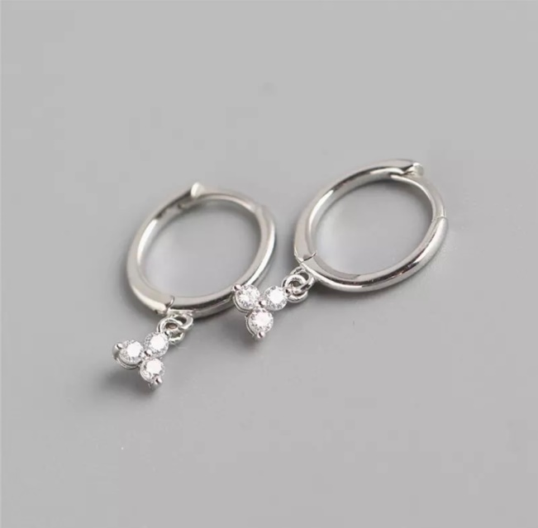 | 55 | Real 100% 925 Sterling Silver Punk Hip-Hop Cuba Chain Gothic Studs Earrings for Fashion Women Jewelry | Use the provided polishing cloth to gently wipe this item clean, then remove any remaining tarnish with mild diluted soap. Rinse with warm water, dry with a clean towel and store it in its jewelry pouch. | As this item is Real 100% 925 sterling silver, We are gladly if you can testing by your local Testing Center! | Vibez Jewelz
10 | ER-21® | VJERSIL-21 | Material: 100% 925 Sterling Silver | 1 | 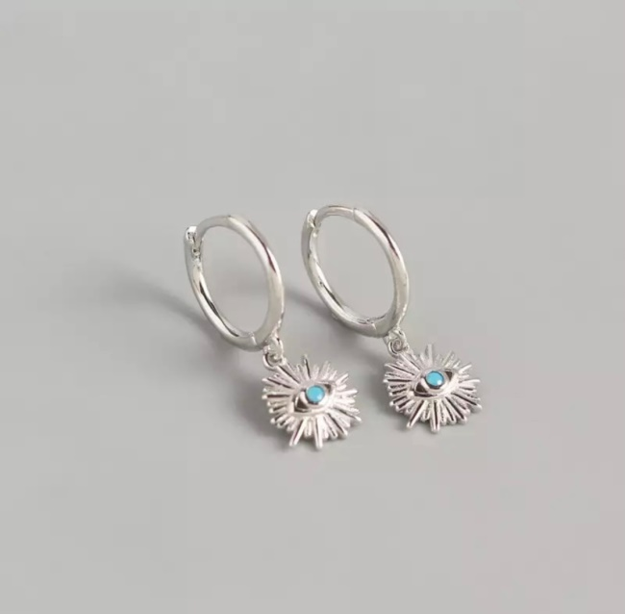 | 55 | Real 100% 925 Sterling Silver Punk Hip-Hop Cuba Chain Gothic Studs Earrings for Fashion Women Jewelry | Use the provided polishing cloth to gently wipe this item clean, then remove any remaining tarnish with mild diluted soap. Rinse with warm water, dry with a clean towel and store it in its jewelry pouch. | As this item is Real 100% 925 sterling silver, We are gladly if you can testing by your local Testing Center! | Vibez Jewelz
11 | ER-22® | VJERSIL-22 | Material: 100% 925 Sterling Silver | 1 | 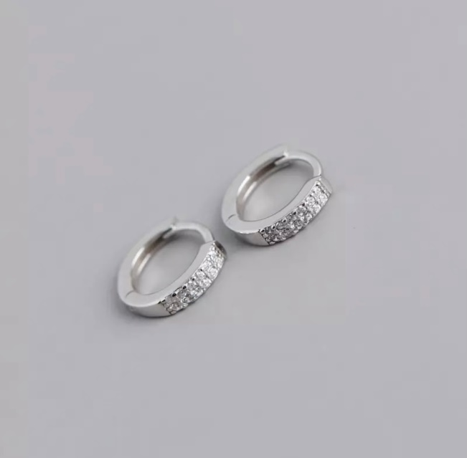 | 50 | Real 100% 925 Sterling Silver Punk Hip-Hop Cuba Chain Gothic Studs Earrings for Fashion Women Jewelry | Use the provided polishing cloth to gently wipe this item clean, then remove any remaining tarnish with mild diluted soap. Rinse with warm water, dry with a clean towel and store it in its jewelry pouch. | As this item is Real 100% 925 sterling silver, We are gladly if you can testing by your local Testing Center! | Vibez Jewelz
12 | ER-23® | VJERSIL-23 | Material: 100% 925 Sterling Silver | 1 | 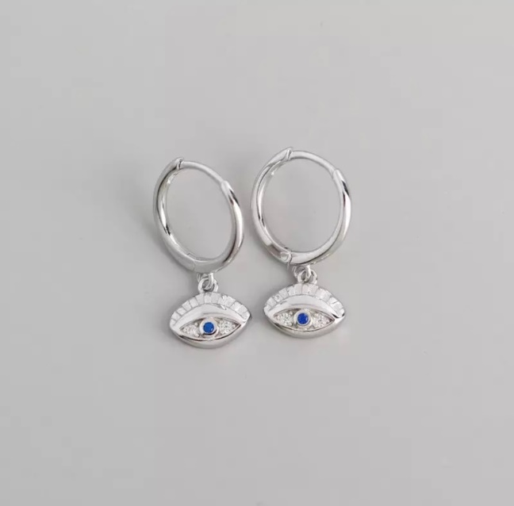 | 50 | Real 100% 925 Sterling Silver Punk Hip-Hop Cuba Chain Gothic Studs Earrings for Fashion Women Jewelry | Use the provided polishing cloth to gently wipe this item clean, then remove any remaining tarnish with mild diluted soap. Rinse with warm water, dry with a clean towel and store it in its jewelry pouch. | As this item is Real 100% 925 sterling silver, We are gladly if you can testing by your local Testing Center! | Vibez Jewelz
13 | ER-24® | VJERSIL-24 | Material: 100% 925 Sterling Silver | 1 | 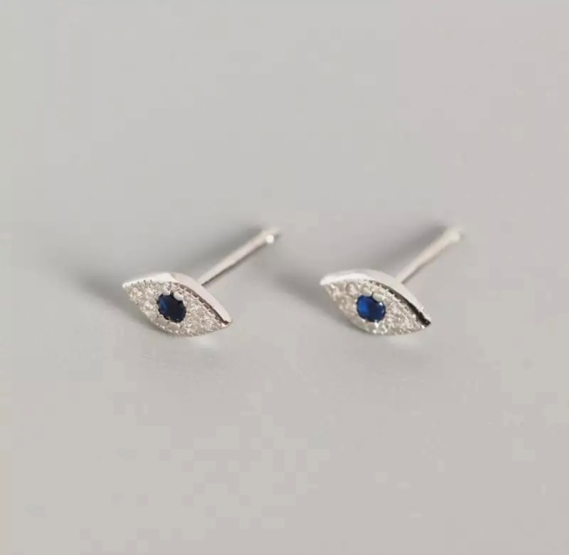 | 25 | 100% 925 Sterling Silver Jewelry Mini Blue Zircon Evil Eyes Earring Pendant Small Stud Earrings for Women Femme | Use the provided polishing cloth to gently wipe this item clean, then remove any remaining tarnish with mild diluted soap. Rinse with warm water, dry with a clean towel and store it in its jewelry pouch. | As this item is Real 100% 925 sterling silver, We are gladly if you can testing by your local Testing Center! | Vibez Jewelz
14 | ER-25® | VJERSIL-25 | Material: 100% 925 Sterling Silver | 1 | 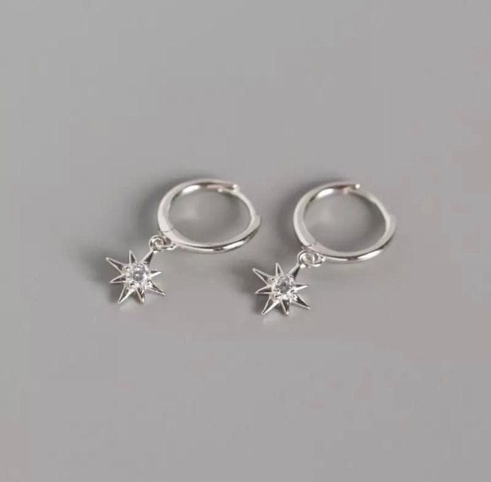 | 45 | Real 100% 925 Sterling Silver Punk Hip-Hop Cuba Chain Gothic Studs Earrings for Fashion Women Jewelry | Use the provided polishing cloth to gently wipe this item clean, then remove any remaining tarnish with mild diluted soap. Rinse with warm water, dry with a clean towel and store it in its jewelry pouch. | As this item is Real 100% 925 sterling silver, We are gladly if you can testing by your local Testing Center! | Vibez Jewelz
15 | ER-26® | VJERSIL-26 | Material: 100% 925 Sterling Silver | 1 | 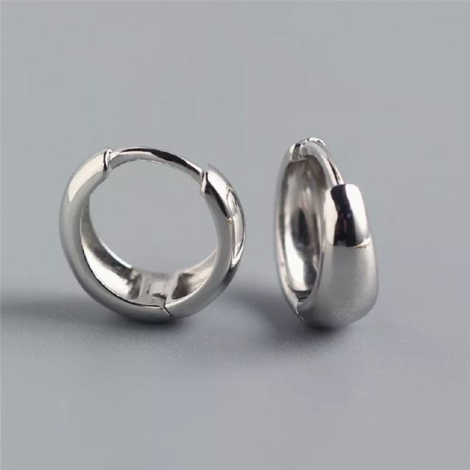 | 60 | Real 100% 925 Sterling Silver Punk Hip-Hop Cuba Chain Gothic Studs Earrings for Fashion Women Jewelry | Use the provided polishing cloth to gently wipe this item clean, then remove any remaining tarnish with mild diluted soap. Rinse with warm water, dry with a clean towel and store it in its jewelry pouch. | As this item is Real 100% 925 sterling silver, We are gladly if you can testing by your local Testing Center! | Vibez Jewelz
16 | ER-27® | VJERSIL-27 | Material: 100% 925 Sterling Silver | 1 | 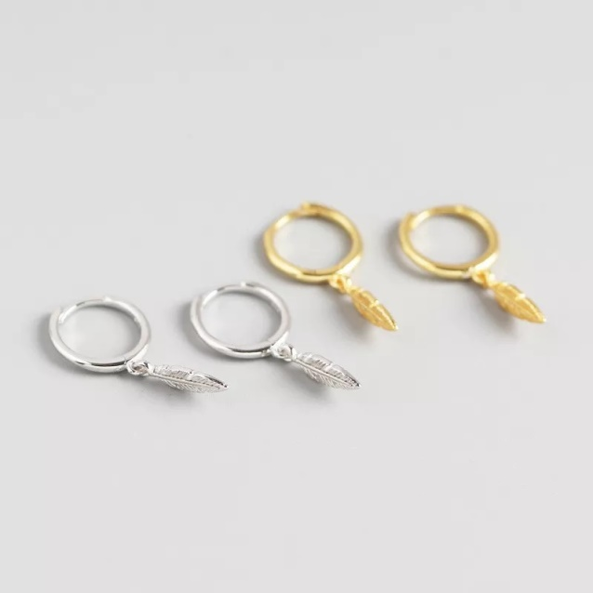 | 45 | Real 100% 925 Sterling Silver Punk Hip-Hop Cuba Chain Gothic Studs Earrings for Fashion Women Jewelry | Use the provided polishing cloth to gently wipe this item clean, then remove any remaining tarnish with mild diluted soap. Rinse with warm water, dry with a clean towel and store it in its jewelry pouch. | As this item is Real 100% 925 sterling silver, We are gladly if you can testing by your local Testing Center! | Vibez Jewelz
17 | ER-28® | VJERSIL-28 | Material: 100% 925 Sterling Silver | 1 | 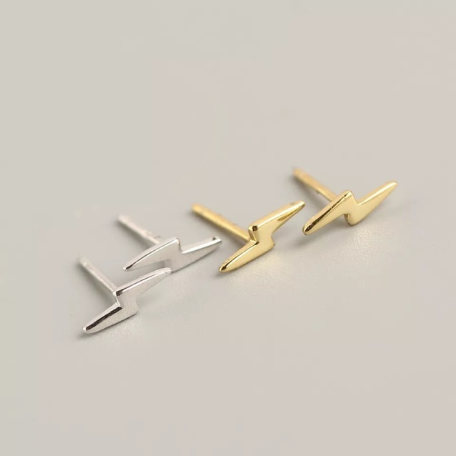 | 20 | 100% 925 Sterling Silver Minimalist Mini Lightning Very Small Stud Earrings For Women Girls Personality Teen Gift | Use the provided polishing cloth to gently wipe this item clean, then remove any remaining tarnish with mild diluted soap. Rinse with warm water, dry with a clean towel and store it in its jewelry pouch. | As this item is Real 100% 925 sterling silver, We are gladly if you can testing by your local Testing Center! | Vibez Jewelz
18 | ER-29® | VJERSIL-29 | Material: 100% 925 Sterling Silver | 1 | 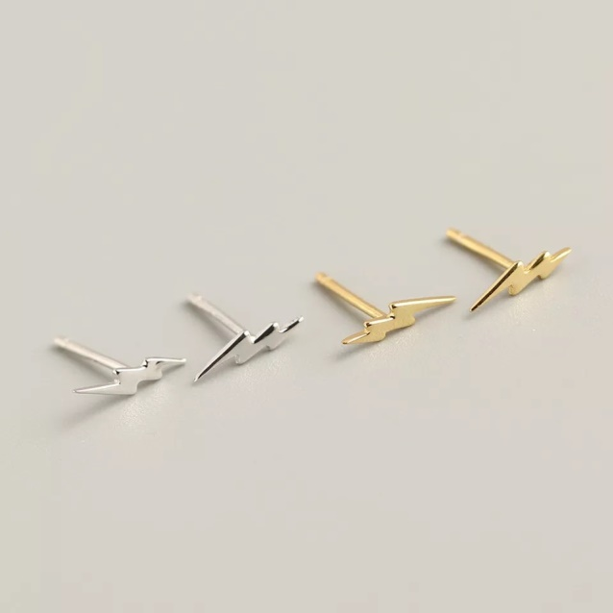 | 20 | 100% 925 Sterling Silver Minimalist Mini Lightning Very Small Stud Earrings For Women Girls Personality Teen Gift | Use the provided polishing cloth to gently wipe this item clean, then remove any remaining tarnish with mild diluted soap. Rinse with warm water, dry with a clean towel and store it in its jewelry pouch. | As this item is Real 100% 925 sterling silver, We are gladly if you can testing by your local Testing Center! | Vibez Jewelz
19 | ER-30® | VJERSIL-30 | Material: 100% 925 Sterling Silver | 1 | 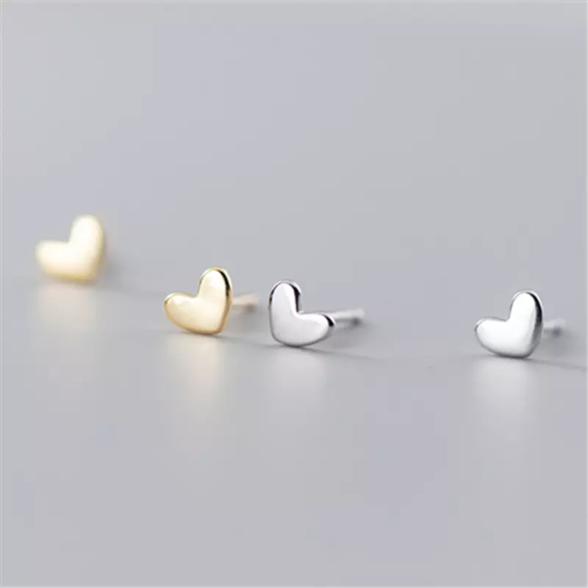 | 25 | Real 100% 925 Sterling Silver Mini Small Love Heart Stud Earrings for Women Student Teen Jewelry Gift | Use the provided polishing cloth to gently wipe this item clean, then remove any remaining tarnish with mild diluted soap. Rinse with warm water, dry with a clean towel and store it in its jewelry pouch. | As this item is Real 100% 925 sterling silver, We are gladly if you can testing by your local Testing Center! | Vibez Jewelz
20 | ER-31® | VJERSIL-31 | Material: 100% 925 Sterling Silver | 3 | 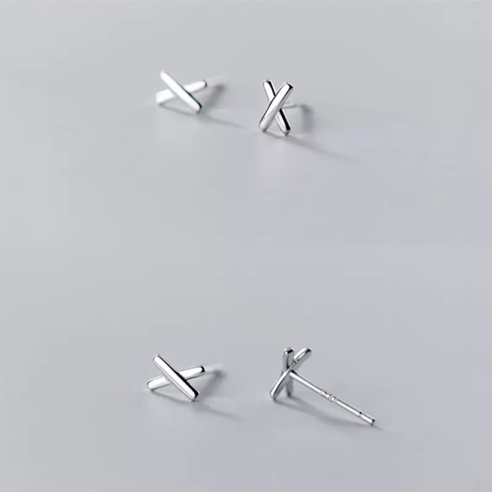 | 25/Pcs. | Genuine 925 Sterling Silver Minimalist Mini Girl Birthday Gift Korean Cross Stud Earrings for Fashion Women Chic Jewelry | Use the provided polishing cloth to gently wipe this item clean, then remove any remaining tarnish with mild diluted soap. Rinse with warm water, dry with a clean towel and store it in its jewelry pouch. | As this item is Real 100% 925 sterling silver, We are gladly if you can testing by your local Testing Center! | Vibez Jewelz
21 | ER-32® | VJERSIL-32 | Material: 100% 925 Sterling Silver | 1 | 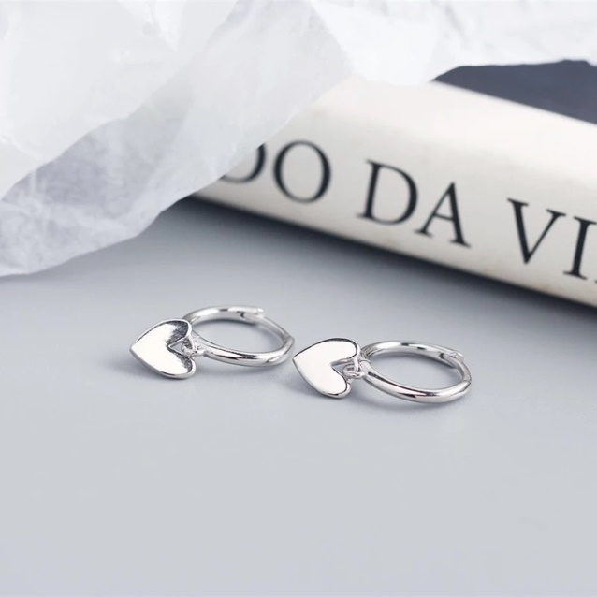 | 50 | Real 925 Sterling Silver Minimalist Love Heart Tassel Stud Earrings for Fashion Women Teen Girls Party Jewelry Gift | Use the provided polishing cloth to gently wipe this item clean, then remove any remaining tarnish with mild diluted soap. Rinse with warm water, dry with a clean towel and store it in its jewelry pouch. | As this item is Real 100% 925 sterling silver, We are gladly if you can testing by your local Testing Center! | Vibez Jewelz
22 | ER-33® | VJERSIL-33 | Material: 100% 925 Sterling Silver | 1 | 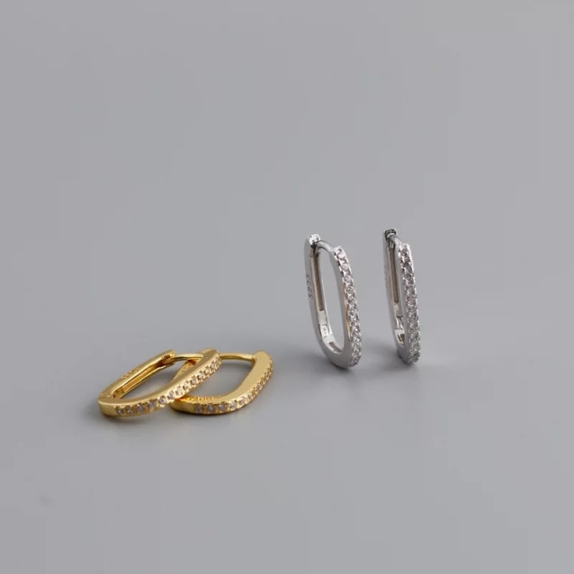 | 50 | Real 925 Sterling Silver Minimalist Pave Zircon Geometric Stud Earrings for Women Unisex Party Jewelry Gift | Use the provided polishing cloth to gently wipe this item clean, then remove any remaining tarnish with mild diluted soap. Rinse with warm water, dry with a clean towel and store it in its jewelry pouch. | As this item is Real 100% 925 sterling silver, We are gladly if you can testing by your local Testing Center! | Vibez Jewelz
23 | ER-34® | VJERSIL-34 | Material: 100% 925 Sterling Silver | 1 | 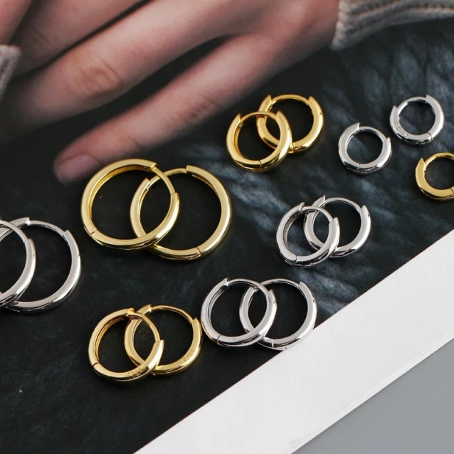 | 50 | 925 Sterling Silver Minimalist Bohemian Round Ear Buckle for Women Punk Unisex Rock Hoop Earring Jewelry | Use the provided polishing cloth to gently wipe this item clean, then remove any remaining tarnish with mild diluted soap. Rinse with warm water, dry with a clean towel and store it in its jewelry pouch. | As this item is Real 100% 925 sterling silver, We are gladly if you can testing by your local Testing Center! | Vibez Jewelz
24 | ER-35® | VJERSIL-35 | Material: 100% 925 Sterling Silver | 1 |  | 55 | 925 Sterling Silver Minimalist Bohemian Round Ear Buckle for Women Punk Unisex Rock Hoop Earring Jewelry | Use the provided polishing cloth to gently wipe this item clean, then remove any remaining tarnish with mild diluted soap. Rinse with warm water, dry with a clean towel and store it in its jewelry pouch. | As this item is Real 100% 925 sterling silver, We are gladly if you can testing by your local Testing Center! | Vibez Jewelz
25 | ER-36® | VJERSIL-36 | Material: 100% 925 Sterling Silver | 1 |  | 55 | 925 Sterling Silver Minimalist Bohemian Round Ear Buckle for Women Punk Unisex Rock Hoop Earring Jewelry | Use the provided polishing cloth to gently wipe this item clean, then remove any remaining tarnish with mild diluted soap. Rinse with warm water, dry with a clean towel and store it in its jewelry pouch. | As this item is Real 100% 925 sterling silver, We are gladly if you can testing by your local Testing Center! | Vibez Jewelz
26 | ER-37® | VJERSIL-37 | Material: 100% 925 Sterling Silver | 1 | 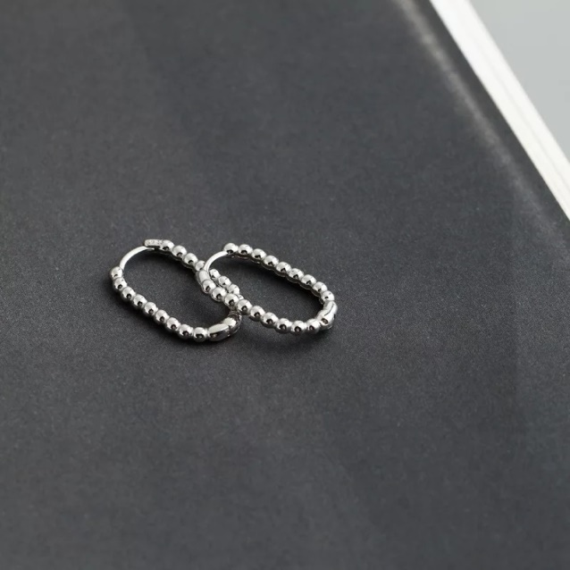 | 75 | 925 Sterling Silver Punk Simple Pirecing Geometry Hollow Beads Stud Earrings for Women Girl Chic Birthday Goth Jewelry | Use the provided polishing cloth to gently wipe this item clean, then remove any remaining tarnish with mild diluted soap. Rinse with warm water, dry with a clean towel and store it in its jewelry pouch. | As this item is Real 100% 925 sterling silver, We are gladly if you can testing by your local Testing Center! | Vibez Jewelz
27 | ER-38® | VJERSIL-38 | Material: 100% 925 Sterling Silver | 1 | 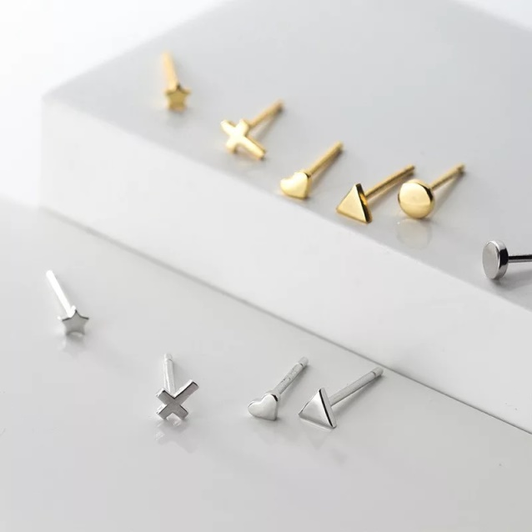 | 20 | 925 Sterling Silver Mini Small Love Star Cross Round Triangle Stud Earrings for Women Youth Student Jewelry | Use the provided polishing cloth to gently wipe this item clean, then remove any remaining tarnish with mild diluted soap. Rinse with warm water, dry with a clean towel and store it in its jewelry pouch. | As this item is Real 100% 925 sterling silver, We are gladly if you can testing by your local Testing Center! | Vibez Jewelz
 |  |  |  | 29

